Requirement
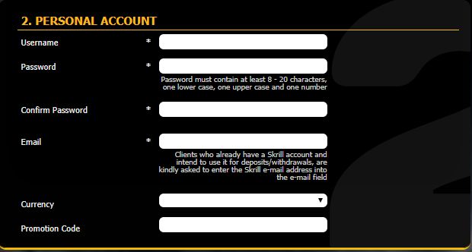
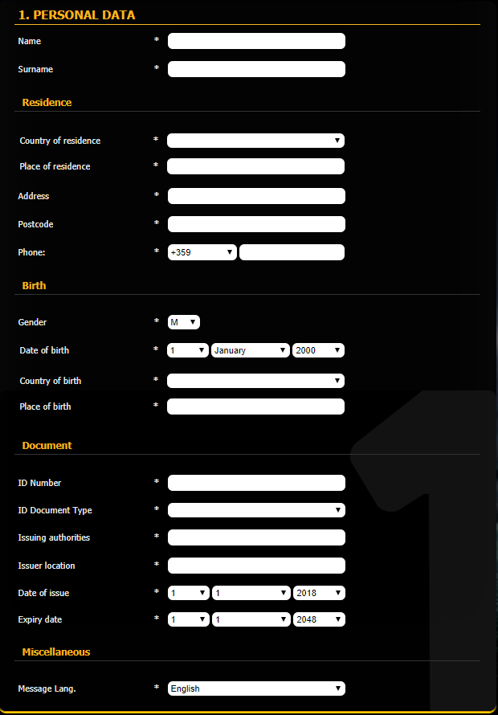
Potrebno je napisati test case za pokrivanje minimum 80% funkcionalnosti registracione forme.
U nastavku mozete videti zahtev:
Name contain letters only
Surname letters allowed only
Country of residence letters allowed only
Place of residence letters allowed only
Address everything is allowed
Postcode should have 5 characters
Phone value has to be a number
Gender
Date of birth there is a check if client should be allowed to bet (18+ years, 21+ if Estonia is selected as country of residence)
Country of birth letters only
Place of birth letters only
ID Number number allowed only
ID Document Type select from dropdown
Issuing authorities letters only
Issuer location letters only
Date of issue select from dropdown
Expire date select from dropdown
Message Lang. select from dropdown
Username at least 6 characters
Password Password must contain at least 8 - 20 characters, one lower case, one upper case and one number
Confirm Password
Email E-mail validation
Currency It depends on the country selected, for some countries we are allowing clients to choose from 2 available currencies, but usually it is Euro;
Promotion Code should be totally optional, you can input correct value, wrong value or no value at all

